1. Title Page
[Instacart Final Project]

Project Name: Instacart Final Project Achievement 4
Date: 3/18/24
Analyst Name: Meghan McGrath

Contents:
Population Flow
Consistency checks
Wrangling steps
Column derivations
Visualizations
Recommendations

2. Population Flow
Title page

Population flow

Exclusion flag
Condition: max_order <
Obervations to be removed:
Final total count of order_products_all:

Orders_products_combined
Orders_products_merged
Orders_products_all

Total: 32404859
Total: 32404859
Total: 32404859

Exclusion Flag
Condition: max_order < 5
Records removed: 1440295
Final count: 30964564

1.) The grey boxes in the first row of the population flow represent the original data sets as they were when you downloaded them. In the Total fields you need to add the count of the rows when you imported the data set into Jupyter.
2.) The second row of boxes (coloured) represents the data sets after you manipulated them, e.g., removed missing values and duplicates. In the Total fields you need to add the count of the rows after conducting these operations. This offers a visual oveview of how the data flows throughout the data consistency checks.
3.) The third row, where also the arrows are coloured, represents the merges you performed between the datasets. In the Total fields you need to add the count of the rows in the merged datasets, so that you end up with the final dataset (in the red box). Keep in mind the final dataset should be without exclusions (based on the exclusion flag).

3. Consistency checks
 |  |  |  | Title page
Consistency checks

Dataset | Missing values | Missing values treatment | Duplicates
orders | 206209 missing values for days_since_prior_order collumn | No action taken as a customer who has placed their first order will not have data for this column. | No duplicates
products | 16 missing values in 'product_name' collumn | Removed | 5 duplicates
orders_products_prior | No missing values | N/A | No duplicates
customers | 11259 missing values in 'first_name' collumn | No action taken - customers with no first name values still had last names and neither affected the analysis. | No duplicates
ordser_products_all | No missing values | Removed 1440295 records where customers had less than 5 orders for the analysis | No duplicates

4. Wrangling steps
 |  |  |  |  | Title page
Wrangling steps

Columns dropped | Columns renamed (new) | Columns renamed (old) | Columns' type changed | Comment/Reason
eval_set |  |  |  | Column removed (not needed for analysis)
 | orders_day_of_week | order_dow |  | Column renamed for consistency
 | days_since_last_order | days_since_prior_order |  | Column renamed for consistency
 | first_name | First Name |  | Column renamed for consistency
 | last_name | Surname |  | Column renamed for consistency
 | dependants | n_dependants |  | Column renamed for consistency
 | family_status | fam_status |  | Column renamed for consistency
 | state | STATE |  | Column renamed for consistency
 | gender | Gender |  | Column renamed for consistency
 | age | Age |  | Column renamed for consistency
 | date_joined |  | date_joined | Changed datatype to datetime64

5. Column derivations
 |  |  |  | Title page

Column derivations and aggregations

In this tab you should add tables below that the frequences of flags/label variables that you produced after deriving them. NB: don't do this for continuous variables, only for flags.
Dataset | New column | Column/s it was derived from | Conditions
ords_prods_merged | price_range |  | def price_label(row): if row['prices']<=5: return 'low-range' elif (row['prices'] > 5) and (row['prices'] <= 15): return 'mid-range' elif row['prices'] > 15: return 'high-range' else: return 'Not enough data'
ords_prods_merged | busiest_days |  | result = [] for value in df_merged['orders_day_of_week']: if value==0: result.append('busiest') elif value==4: result.append('least busy') else: result.append('regularly busy')
ords_prods_merged | busiest_period_of_day |  | result_2 = [] for value in df_merged['order_hour_of_day']: if value in [10,11,14,15,13,12,16,9]: result_2.append('Most orders') elif value in [17,8,18,19,20,7,21,22]: result_2.append('Average orders') else: result_2.append('Fewest orders')
ords_prods_merged | max_order |  | ords_prods_merge['max_order'] = ords_prods_merge.groupby(['user_id'])['order_number'].transform(np.max)
ords_prods_merged | loyalty_flag |  | ords_prods_merge.loc[ords_prods_merge['max_order'] > 40, 'loyalty_flag'] = 'Loyal customer' ords_prods_merge.loc[(ords_prods_merge['max_order'] <= 40) & (ords_prods_merge['max_order'] > 10), 'loyalty_flag'] = 'Regular customer' ords_prods_merge.loc[ords_prods_merge['max_order'] <= 10, 'loyalty_flag'] = 'New customer'
ords_prods_merged | mean_product_price |  | ords_prods_merge['mean_product_price'] = ords_prods_merge.groupby(['user_id'])['prices'].transform(np.mean)
ords_prods_merged | spending_flag |  | ords_prods_merge.loc[ords_prods_merge['mean_product_price'] >= 10, 'spending_flag'] = 'High spender' ords_prods_merge.loc[ords_prods_merge['mean_product_price'] < 10, 'spending_flag'] = 'Low spender'
ords_prods_merged | median_days_btwn_orders |  | ords_prods_merge['median_days_btwn_orders'] = ords_prods_merge.groupby(['user_id'])['days_since_last_order'].transform(np.median)
ords_prods_merged | order_frequency |  | ords_prods_merge.loc[ords_prods_merge['median_days_btwn_orders'] > 20, 'order_frequency'] = 'Non-frequent customer' ords_prods_merge.loc[(ords_prods_merge['median_days_btwn_orders'] <= 20) & (ords_prods_merge['median_days_btwn_orders'] > 10), 'order_frequency'] = 'Regular customer' ords_prods_merge.loc[ords_prods_merge['median_days_btwn_orders'] <= 10, 'order_frequency'] = 'Frequent customer'
ords_prods_merged | region |  | df_ex10.loc[df_ex10['state'].isin(['Maine', 'New Hampshire', 'Vermont' , 'Massachusetts', 'Rhode Island', 'Connecticut', 'New York', 'Pennsylvania', 'New Jersey']), 'region'] = 'Northeast' df_ex10.loc[df_ex10['state'].isin(['Wisconsin', 'Michigan', 'Illinois' , 'Indiana', 'Ohio', 'North Dakota', 'South Dakota', 'Nebraska', 'Kansas', 'Minnesota', 'Iowa', 'Missouri']), 'region'] = 'Midwest' df_ex10.loc[df_ex10['state'].isin(['Delaware', 'Maryland', 'District of Columbia', 'Virginia', 'West Virginia', 'North Carolina', 'South Carolina', 'Georgia', 'Florida', 'Kentucky', 'Tennessee', 'Mississippi', 'Alabama', 'Oklahoma', 'Texas', 'Arkansas', 'Louisiana']), 'region'] = 'South' df_ex10.loc[df_ex10['state'].isin(['Idaho', 'Montana', 'Wyoming', 'Nevada', 'Utah', 'Colorado', 'Arizona', 'New Mexico', 'Alaska', 'Washington', 'Oregon', 'California', 'Hawaii',]), 'region'] = 'West'
ords_prods_merged | exclusion_flag |  | df_ex10['exclusion flag'] = df_ex10['max_order'] < 5
ords_prods_merged | income_level |  | def income_level(row): if row['income'] <= 50000: return 'Low income' elif (row['income'] > 50000) and (row['income'] <= 100000): return 'Medium income' elif row['income'] > 100000: return 'High income' df_fin['income_level'] = df_fin.apply(income_level, axis=1)

6. Visualizations & Recoms
 | Title page

Visualisations

In this tab you should include all the visualtions from Exercises 4.9 and 4.10, alongside the questions from the project brief that they answer. Include any commentary on the relationship between different variables.

Instacart senior stakeholders with descriptive findings about sales.
Question: What days of the week/times of the day are most busy in terms of orders?

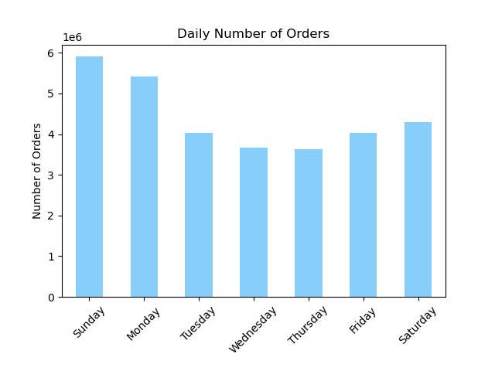
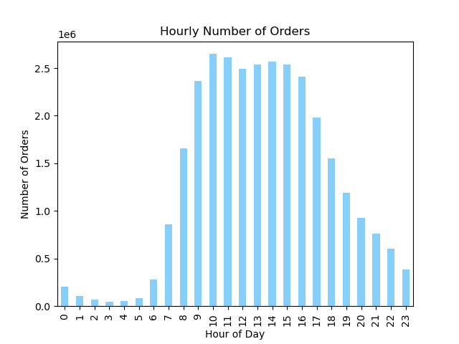

Recommendation:
The sales team should prioritize scheduling their advertisements during the busiest hours of the day, primarily 9 AM to 5PM, and in turn refrain from advertising during the evening/early morning hours when consumers are asleep. In addition, they should focus on advertising during the weekend into the new week (Saturday - Monday) as consumers are most active and the most orders are placed on these days.

The marketing team is curious about the distribution of orders among customers in terms of loyalty.
Question: Who are Instacart's most loyal customers and what are their habits?
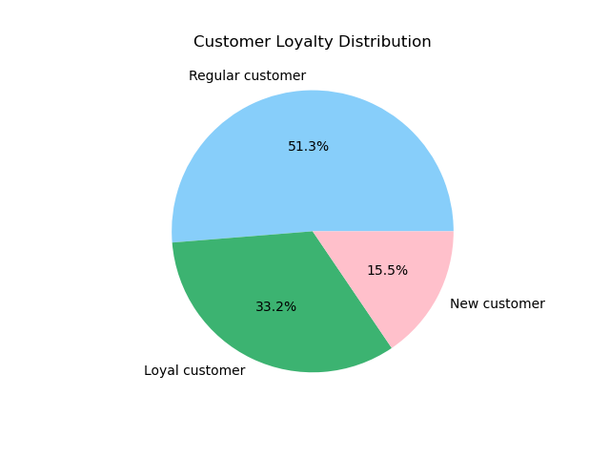
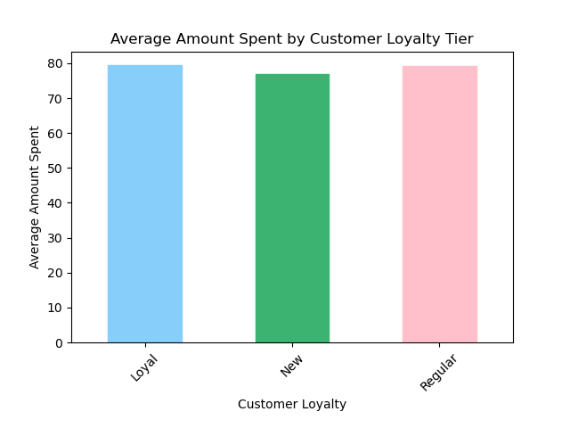

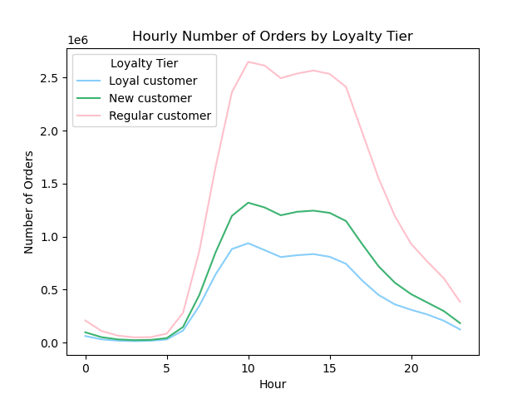

Recommendation:
As the saying goes, it's twice as expensive to onboard a new customer than it is to retain an existing one. Instacart's customer base consists of ~50% regular customers (i.e. those who have placed between 10 and 40 orders) and ~30% loyal customers ( i.e. those who have placed more than 40 orders). The sales and marketing teams should focus on upselling regular customers to become loyal customers, and maintaining loyal customers through extensive retention marketing (email, push notifications, re-targeting through PPC, SMS, organic social, etc.) Between the loyalty tiers, there is no significant difference in their preferred time of day or week to shop.

The Instacart officers are interested in comparing customer behavior in different geographic areas.
Question: Does purchasing behavior differ among regions in the U.S.?

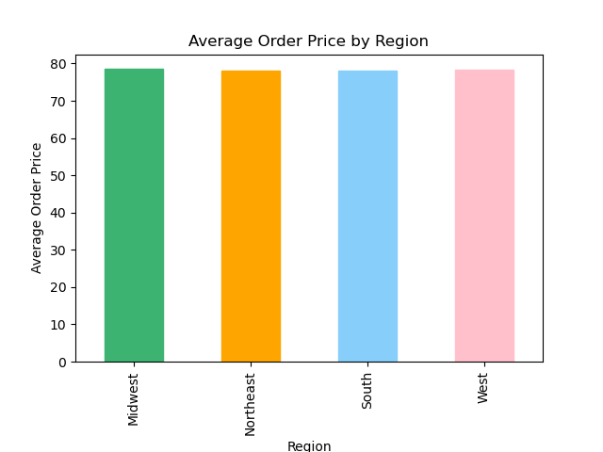
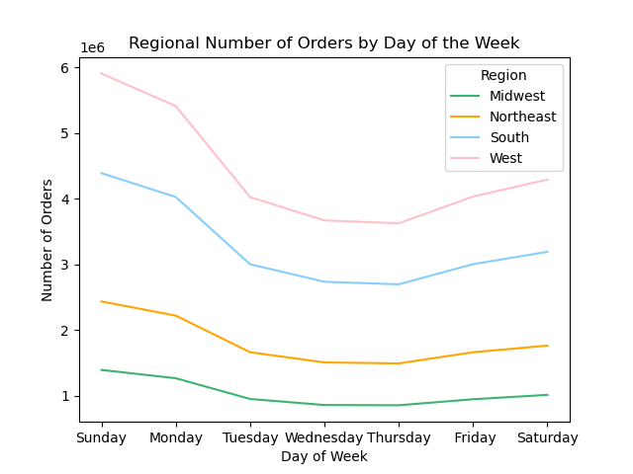

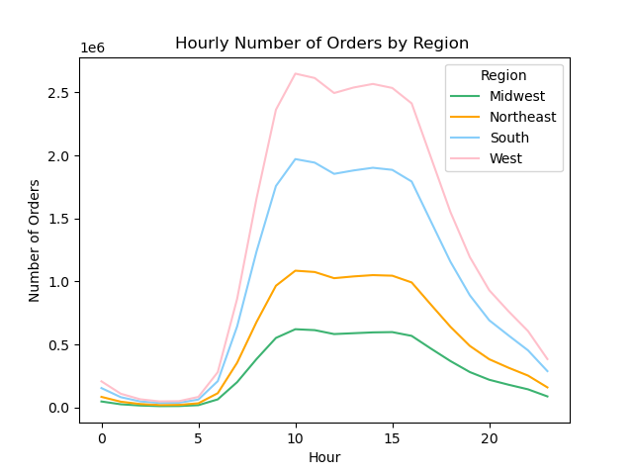

Recommendation:
There are no notable differences in purchasing behavior between the 4 regions - for all regions, the average price, orders by day and orders by hour remain the same. Instacart does not need to segment it's strategy by region.

Question: Is there a relationship between family status, dependants or age and purchasing behavior?
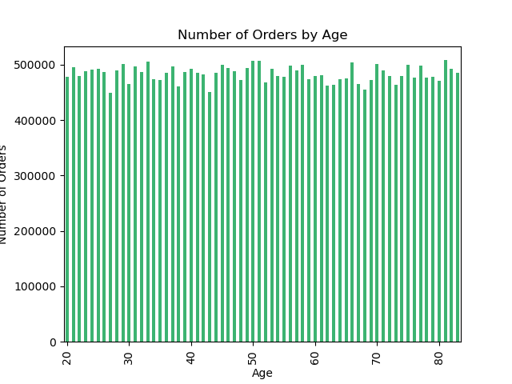
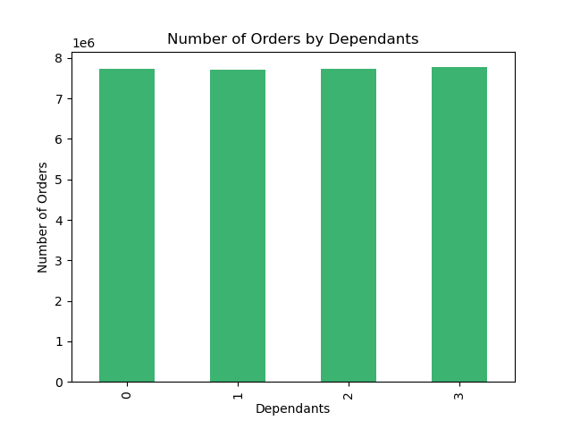

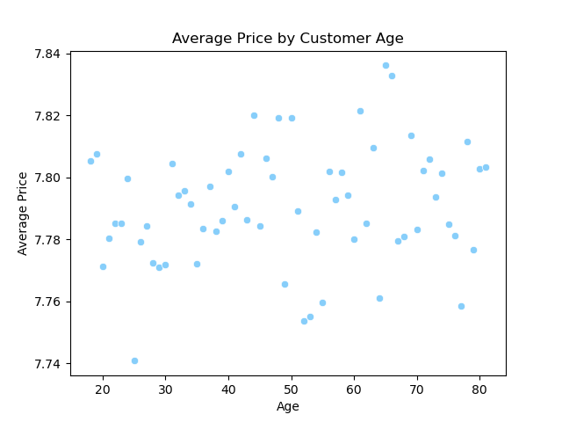
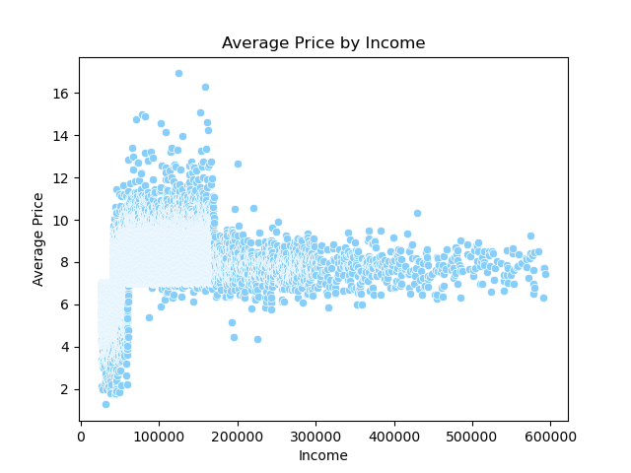

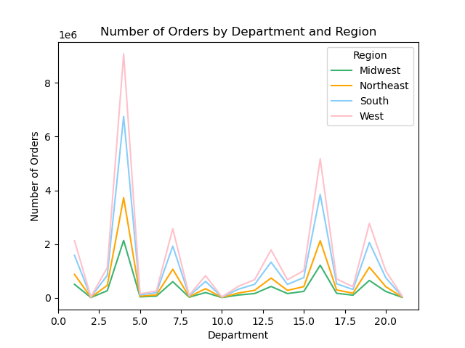
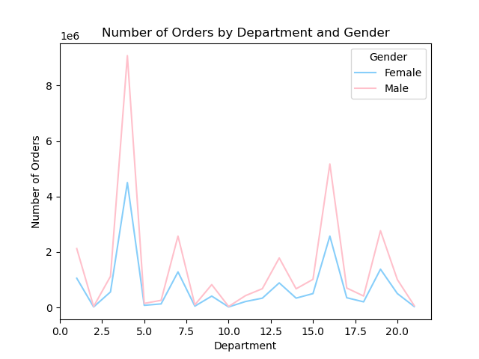

Recommendation:
Age and dependants do not have an impact on number of orders - there is no difference among the segmented groups. There is also no correlation between age or income and average price. There is also no difference among the regions in orders by department as they follow the same trend. The sales team should not differ their strategies for targeting based on these results alone.

The marketing and business strategy units at Instacart want to create more-relevant marketing strategies for different products and are, thus, curious about customer profiling in their database.
Question: What do these customer profiles look like and how do purchasing habits differ between them?
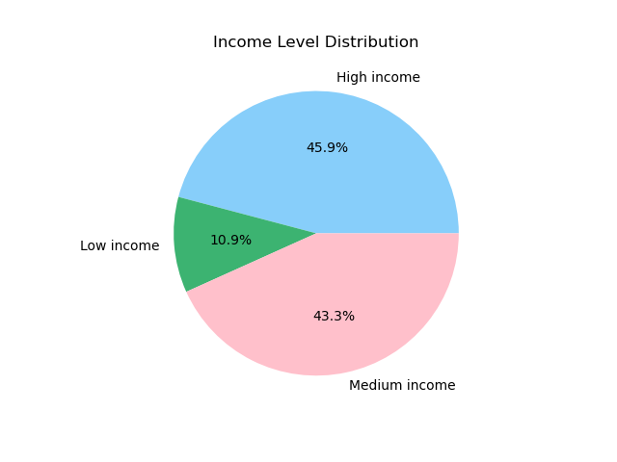
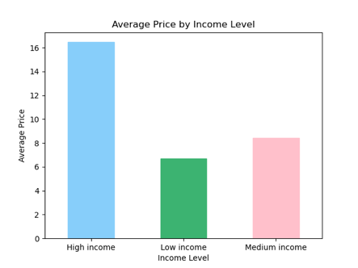

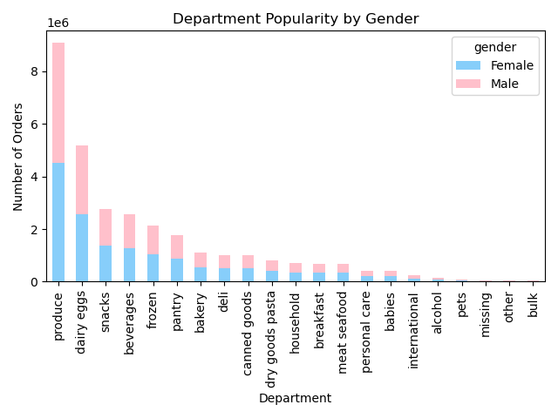
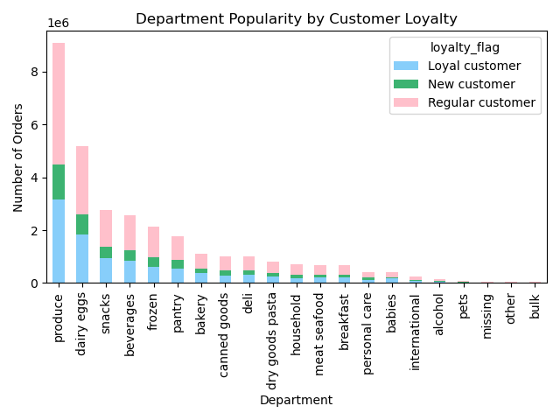

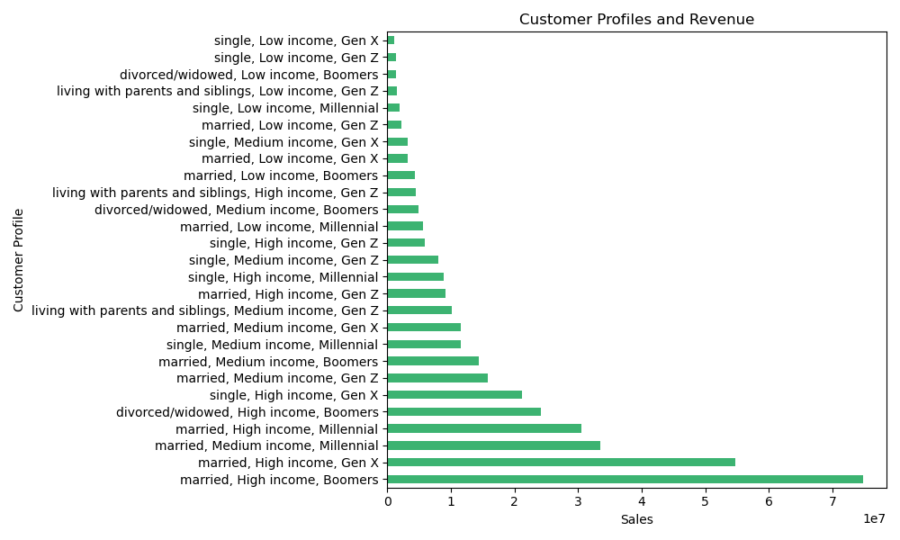

Recommendation:
While there are segments that are higher revenue drivers, there is no significant difference in what items are being purchased between the different gender, income and loyalty segments alone. Produce and dairy/eggs are the most popular departments, which is a positive for Instacart when thinking about their marketing strategies as these items need to be bought the most frequently as they have a short shelf life. With these users being on Instacart more frequently, they will be able to target them more often and continue to collect data to improve their business. When looking at customer profiles detailing family status, income and age group, there are insights that can be pulled here in terms of most profitable segments. Individuals in the high income, married and Boomer group are spending the most on Instacart, followed by high income, married, Gen Xers. With this insight, they can create stategies to target these older, weathlier, family oriented individuals better (i.e. advertising via mail or print for Boomers vs. online or suggesting pricier or larger serving add-ons before checkout for those wealthier individuals who may be cooking for their spouse/family). This would also be an opportunity to improve targeting to lower tier Instacart customers, ex. single, low-income individuals. For these segments, some examples are sending push notifications for upcoming sales on previously bought or similar items, offering deals on produce with a closer sell-by-date or minor defects, or suggesting low-priced pantry staples for those on a budget.

